Copy of 02 April of JBTB X INST
JBTB CASTING & AGENCY
PD.Bulak, JI. B no.38, RT03/RW02,
Sawangan, Depok, Indonesia no HP: 0895383280288
Email : Kordakj@gmail.com

To : PT CV ZWEENA ADI NUGRAHA |  | No. Invoice : 202606 - 004
Up : Sendi Wicaksono |  | Due Date : 26 Juli 2026
CV ZWEENA ADI NUGRAHA - Dk. Bulurejo RT 004 RW 001, Krajan, Gatak, Sukoharjo

NO | DESCRIPTION | TOTAL DAY | AMOUNT
1 | JBTB.CASTING | Fee Shooting Ussama Alayubi| 05 - 06 Mei 2026 | 1 DAY | 10,000,000
TOTAL (nett) |  |  | 10,000,000

BANK | : BCA
NO REK | : 4731824694
A/N | : JESTIKA AISYA KORDAK

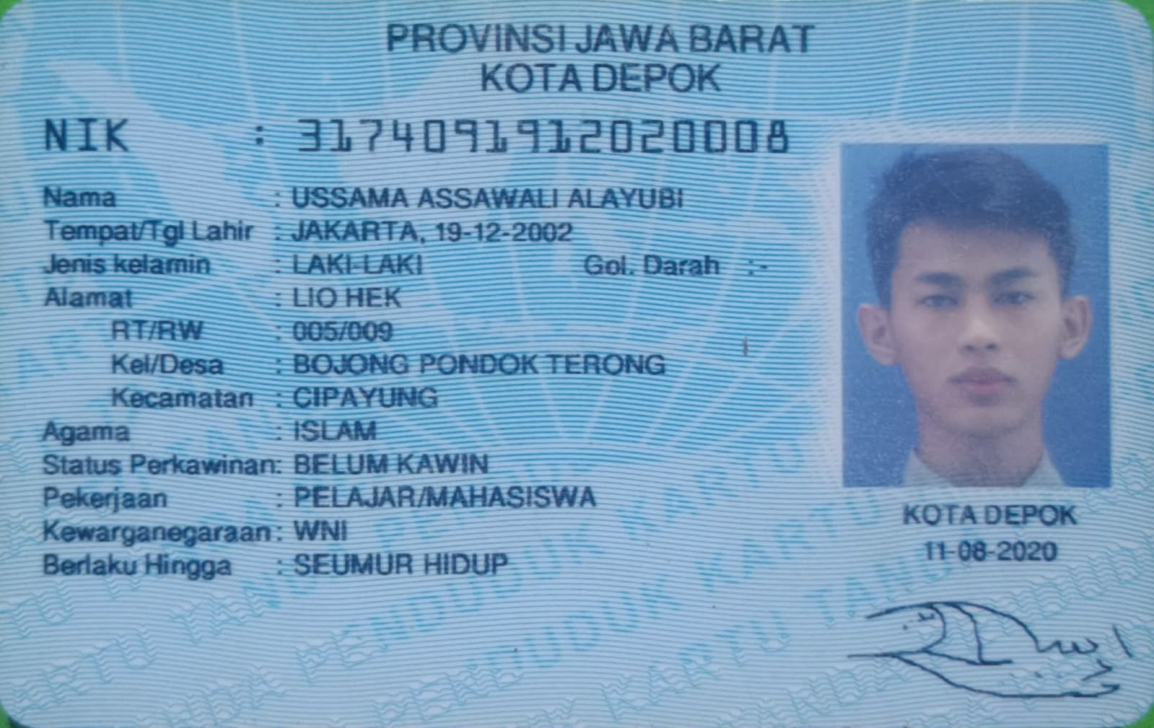
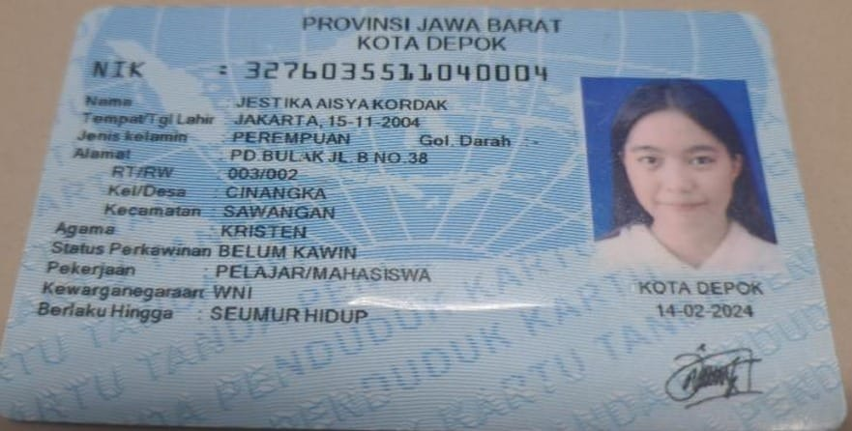

Thank you,

JESTIKA AISYA KORDAK

